Country Name
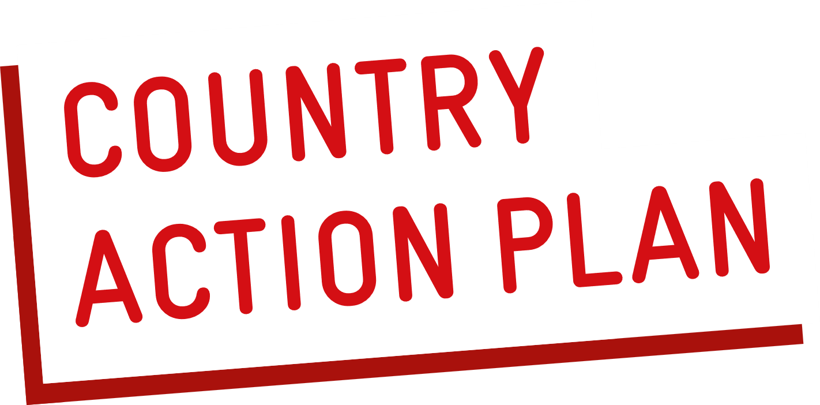
 | Country: |  | > |  |  |  | Review Process: Ongoing national processess /meetings used (Joint Annual Reviews, sector coordination meeting, etc.):
 | Leading Ministry (Government focal point) / Agency: |  | > |  |  |  | >
 | Focal person(s): |  | >
 | E-Mail: |  | >
 | Ministries and organizations participating in the review of the action plan: |  | >

 | 1. Action Areas and Status | 2. Most significant Barriers / Bottlenecks | 3. Indicators of Success | 4. Focal Institution | 5. Status as of (Current Year) | 6. Achievements as of (Last Year) | 7. Proposed Actions for Next Year | Additional Comments on Progress / Achievements / Enablers and Links to Resources
 |  |  |  |  | Please choose one of the options:
 |  |  |  |  | No progress/ barriers
 |  |  |  |  | Progress, but slow/constraints
 |  |  |  |  | Good progress/On track
 |  |  |  |  | Complete
POLICY & PLANNING
Does your country have a national policy on WinS or is their a national sector policy (e.g education, water or health) that includes WASH in Schools? Is implmentation/ compliance being monitored?
Is there a national policy on WinS that includes gender equality, social inclusion and/or climate-resilience? Is implementation/ comliance being monitored?
Is there a national School Health Programme that includes WinS?
Are implementation guidelines available to ensure quality of WinS, including gender equality and disability inclusion as well as climate resilience?
GOVERNANCE & COORDINATION
Are there clear roles and responsibilities for WinS between Ministries and at national and subnational level?
Is there a functioning coordination mechanism for WinS that includes multiple ministries, support agencies and civil society?
BUDGET & EXPENDITURE
Is there a costed national roadmap or implementation plan with the required ivestment needed to achieve national targets?
Is there a financing strategy or plan that includes mobilizing funding from national and subnational government, development finance institutions, private sector and civil society for WinS?
Is there a public sector budget line that is adequate for WinS improvement, operation, and maintenance?
Does your country have a mechanism to track financial expenditure for WinS?
Are schools in most need of WASH support given priority as reflected in the funding allocation?
MONITORING & EVALUATION
Is WinS data reflected in the national Education Managment Information System (EMIS) and are definitions aligned with JMP to enable SDG reporting and the calculation of national estimates through the WHO/UNICEF JMP?
Is your country monitoring indicators that are part of advanced WinS standards / go beyond basic WinS?
Is national WinS data regularly collected, reviewed and used to guide programme and investment decisions? Is data publicly available?
Is there a system for acknowledging WinS performance?
CAPACITY DEVELOPMENT
Does the Ministry of Education have a strategy or plan for Human Capacity Development that includes WinS?
Is skills-based hygiene education/promotion included in the national curriculum? Has it been included into daily routines?
Is WinS included as part of education management training for school adminstrators, teachers and subnational officials?
INNOVATION
Are climate risk data available to inform the design, accessability and functioning of WinS services? |  |  |  |  |  | Please do not provide any color code on the innovations
Are standards and guidelines for climate resilient WinS facility designs available? Are the guidelines being implemented?
Are there any innovative WinS models or approaches available and promoted in the country?

ADDITIONAL COMMENTS on relevant issues related to WASH in Schools:

PARTICIPANTS:
Name: |  | Organisation: |  | Position:
Name: |  | Organisation: |  | Position:
Name: |  | Organisation: |  | Position:
Name: |  | Organisation: |  | Position:

